Sheet1
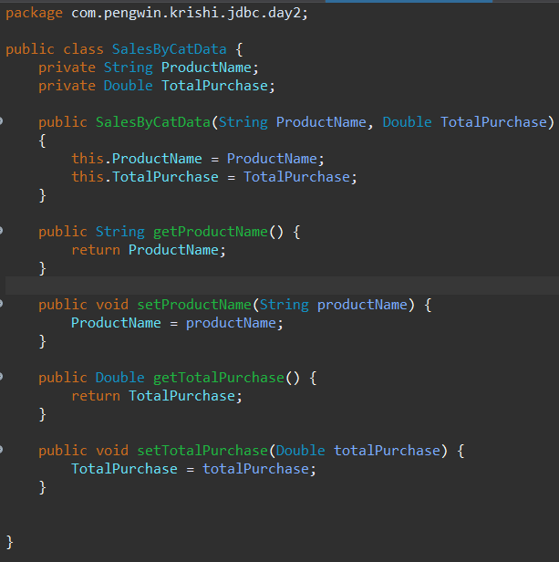
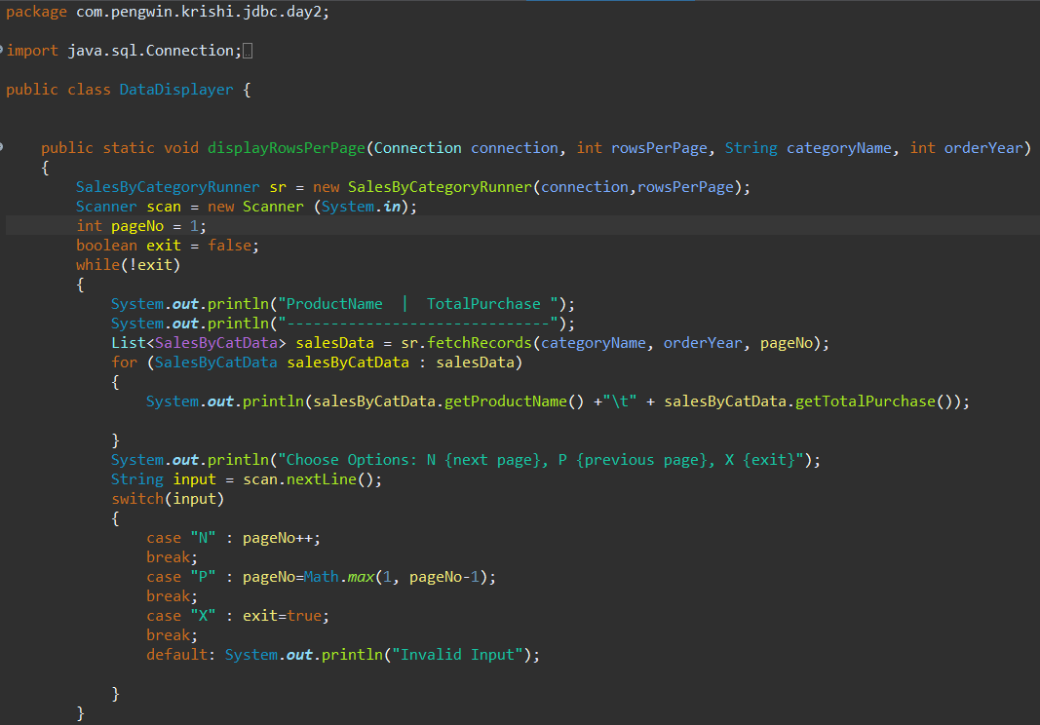
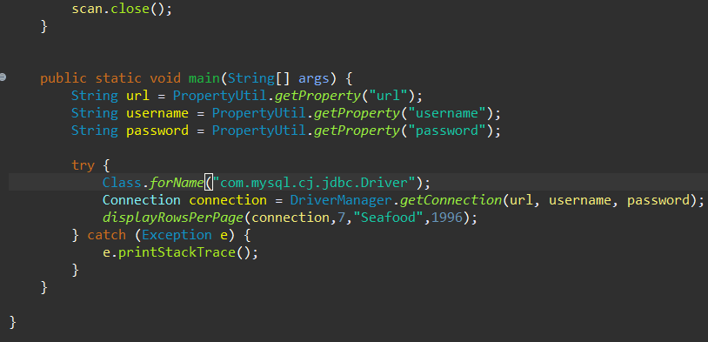
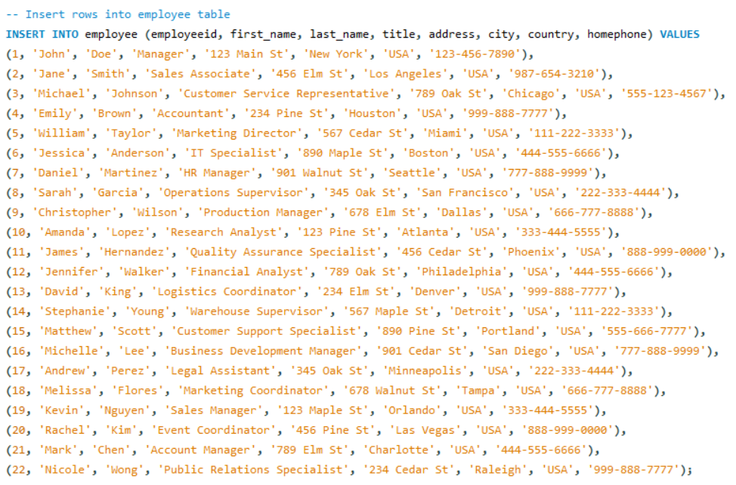
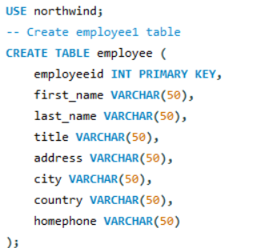
Assignment - 1 | Displaying records in Per Page Fashion
Requirement | 1. Class name: EmpData | SQL Query
 | 2. Properties: employeeId, name, title, address and homePhone
 | 3. All the properties should be encapsulated.
 | 4. Class name: RowsFetcher
 | 5. The class works on the already opened Connection (specified by the caller class)
 | 6. Properties: rowsPerPage (default is 5),
 | 7. Method (1): getRowsPerPage()
 | 8. The method returns the collection of objects (EmpData) after fetching the records from the database for the specified page number.
 | 9. Hint: Use Scrollable Resultset to achieve this.
 | 10. Class name: DisplayUI
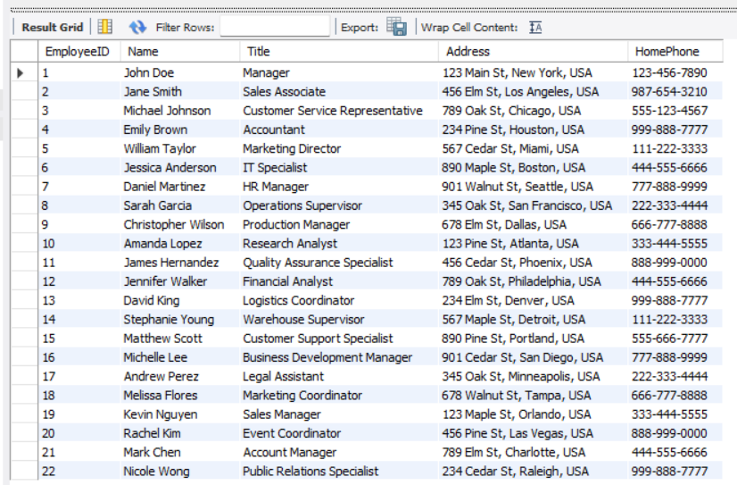
 | 11. The class uses PropertyUtil class (made in Assignment-3 of Day2) for reading the database settings and make the connection to the database.
 | 12. The connection is then used to send to the RowsFetcher for every user request. |  | Result
 | 13. Method (1): displayRowsPerPage() - static method
 | 14. Create an object of RowsFetcher by providing connection object and 7 rows per page.
 | 15. Display the records in pages (7 rows per page). Next page or Previous Page should be shown if user select "N" or "P" respectively from the keyboard.
 | 16. User should have to select "X" for exit.
 | 17. The column header should be repeated for each page of records.
 | 18. Call the DisplayUI and display logic from main method.

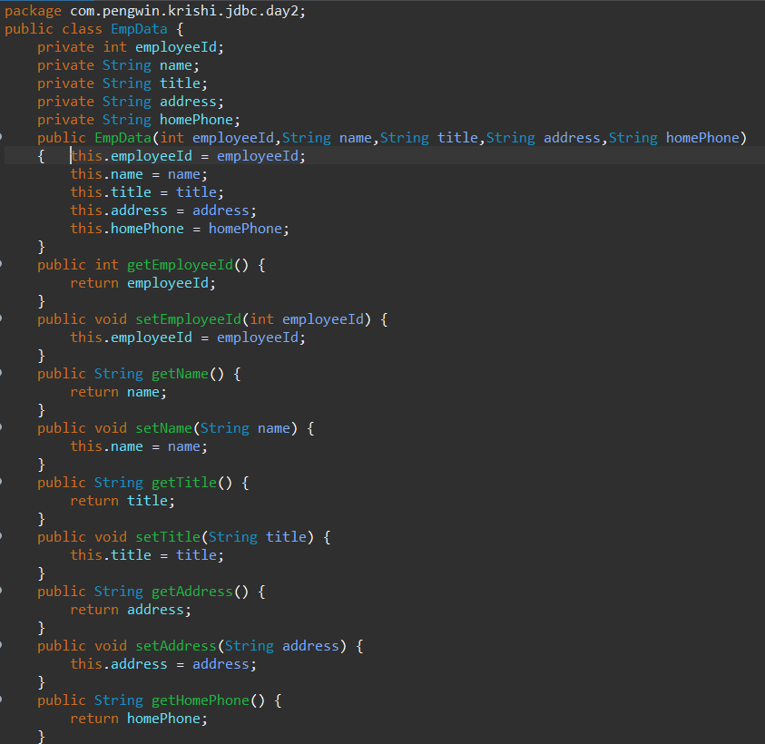
Java Code

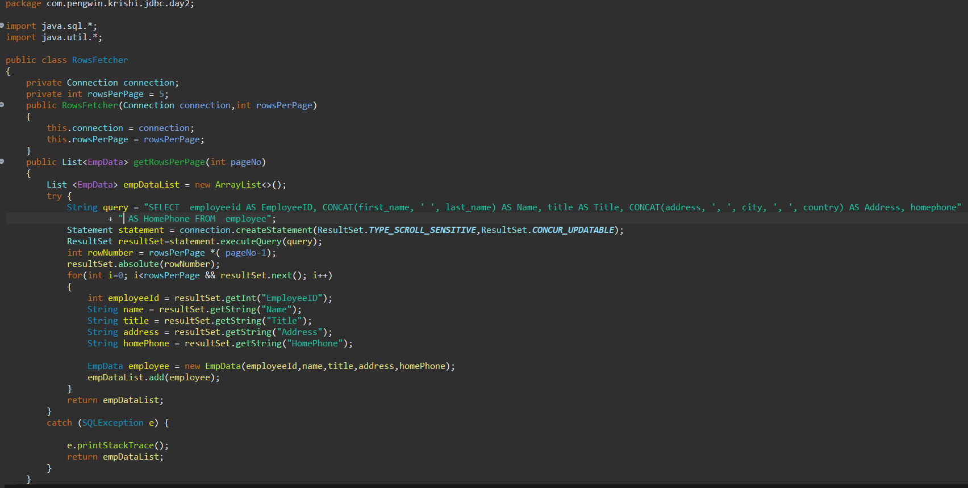

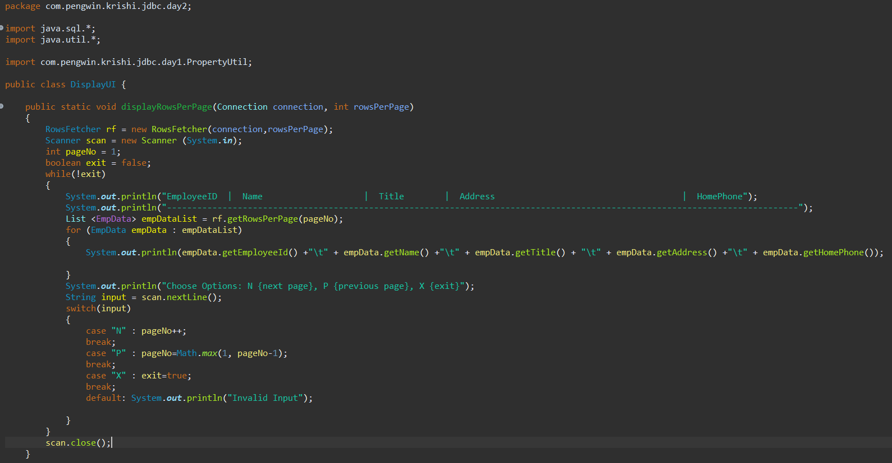

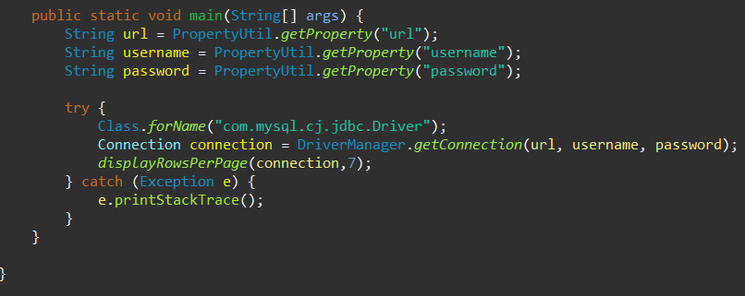

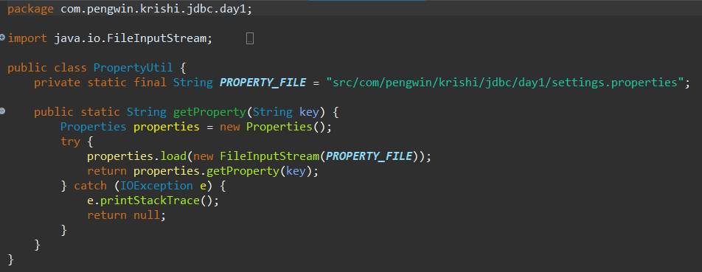

Result
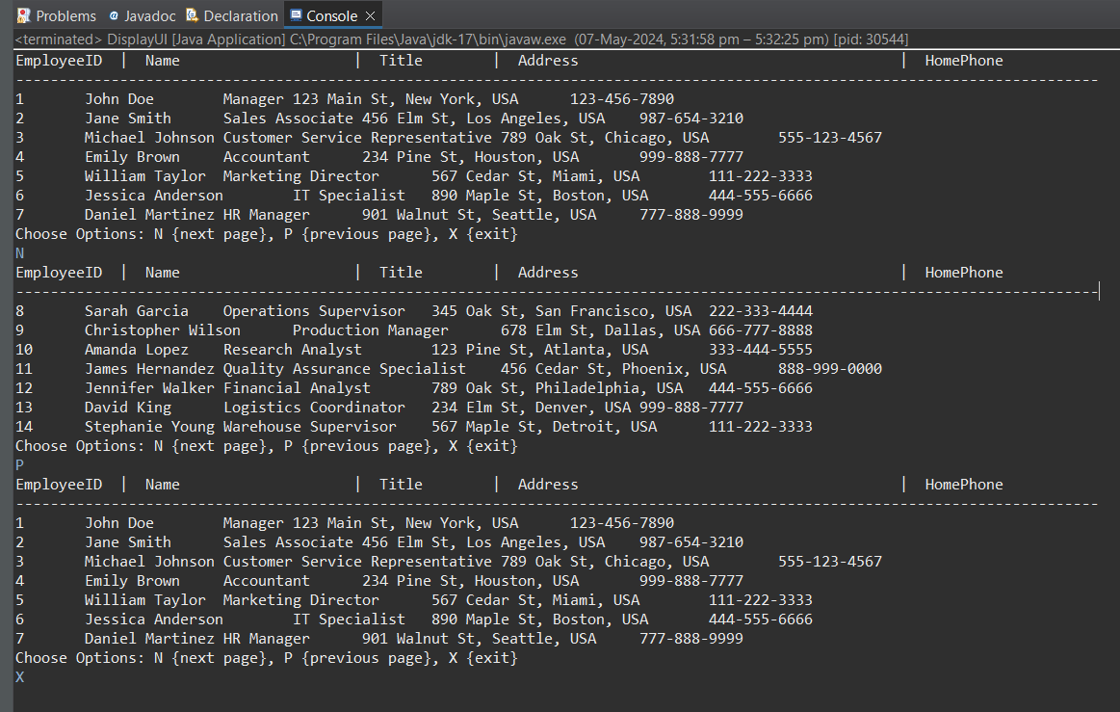

Assignment - 2 | Getting records from Stored Procedure
Requirement | 1. Class name: SalesByCategoryRunner
 | 2. Properties: rowsPerPage (default is 5),
 | 3. Method name: fetchRecords(category name, order year)
 | 4. It will call the stored procedure "SalesByCategory" by passing the specified category name and order year and returns the collections of SalesByCatData (Described later)
 | 5. Class name: SalesByCatData
 | 6. Properties: ProductName, TotalPurchase (double)
 | 7. Class name: DataDisplayer
 | 8. The class uses PropertyUtil class (made in Assignment-3 of Day2) for reading the database settings and make the connection to the database.
 | 9. The connection is then used to send to the SalesByCategoryRunner for every user request.
 | 10. Method (1): displayRowsPerPage() - static method
 | 11. Create an object of SalesByCategoryRunner by providing connection object and 7 rows per page.
 | 12. Display the records in pages (7 rows per page). Next page or Previous Page should be shown if user select "N" or "P" respectively from the keyboard.
 | 13. User should have to select "X" for exit.
 | 14. The column header should be repeated for each page of records.
 | 15. Call the DisplayUI and display logic from main method.
 | 16. Display the records for "Order Year = 1996" and Category name = Seafood"
 | 17. Display the records for "Order Year = 1996" and Category name = Produce"

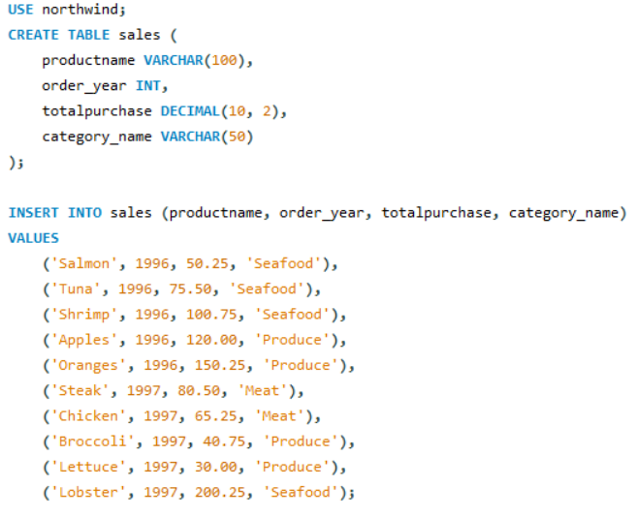
SQL

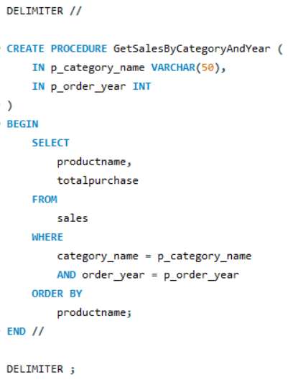

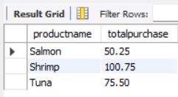
Result

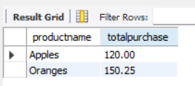
Result

Java Code | package com.pengwin.krishi.jdbc.day2;

 | import java.sql.*;
 | import java.util.ArrayList;
 | import java.util.List;

 | public class SalesByCategoryRunner {

 | private int rowsPerPage = 5;
 | private Connection connection;

 | public SalesByCategoryRunner(Connection connection, int rowsPerPage) {
 | this.connection = connection;
 | this.rowsPerPage = rowsPerPage;
 | }

 | public List<SalesByCatData> fetchRecords(String categoryName, int orderYear, int pageNo) {
 | List<SalesByCatData> salesList = new ArrayList<>();

 | try {
 | // Prepare and execute the stored procedure
 | CallableStatement callableStatement = connection.prepareCall("{CALL GetSalesByCategoryAndYear(?, ?)}", ResultSet.TYPE_SCROLL_INSENSITIVE, ResultSet.CONCUR_READ_ONLY);
 | // Set parameters
 | callableStatement.setString(1, categoryName);
 | callableStatement.setInt(2, orderYear);

 | // Execute the query
 | ResultSet resultSet = callableStatement.executeQuery();

 | // Move cursor to the first row of the requested page
 | int firstRow = (pageNo - 1) * rowsPerPage +1;
 | boolean isLastPage = resultSet.absolute(firstRow);

 | // Iterate through the result set and populate the list with rows from the current page
 | int rowCount = 0;
 | while (!isLastPage && rowCount < rowsPerPage) {
 | String productName = resultSet.getString("productname");
 | double totalPurchase = resultSet.getDouble("totalpurchase");

 | // Create a new SalesByCatData object and add it to the list
 | SalesByCatData salesData = new SalesByCatData(productName, totalPurchase);
 | salesList.add(salesData);

 | // Move to the next row
 | isLastPage = !resultSet.next();
 | rowCount++;
 | }

 | // Close ResultSet and CallableStatement
 | resultSet.close();
 | callableStatement.close();
 | } catch (SQLException e) {
 | e.printStackTrace();
 | }

 | return salesList;
 | }
 | }

